I2C24 Devices Peri Addr Mapping
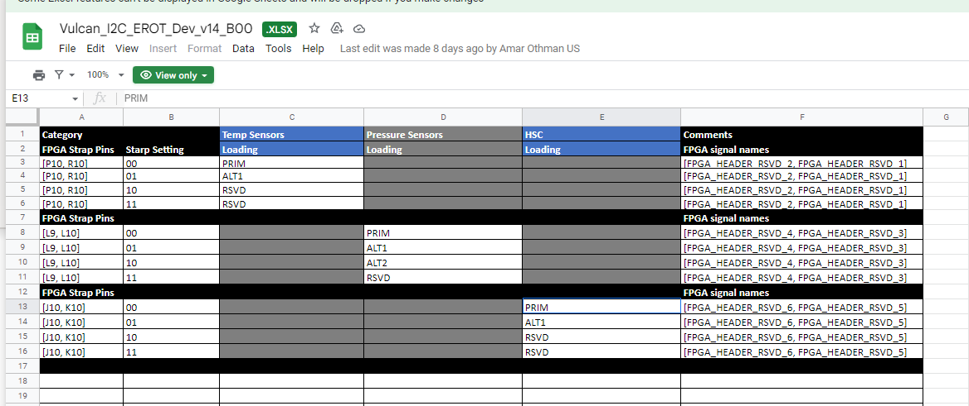
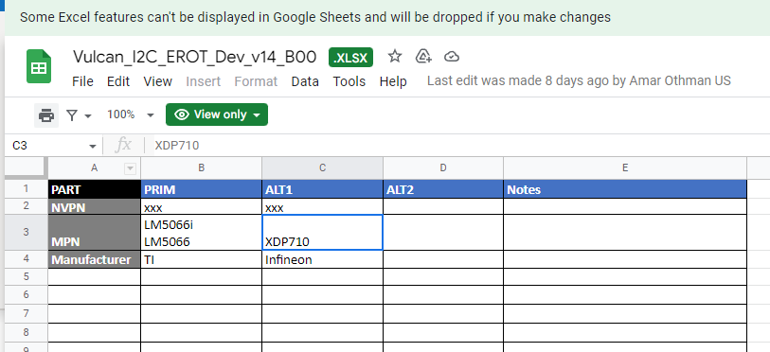
 | I2C bus between FPGA and Devices | DEVICE | TYPE | Label | 7bit host address | 7bit Physical Address | Alt A01/B00 | Alt in B00 only | Allow I2C direct access without SMBPBI to unlock | Allow I2C direct access after SMBPBI to unlock | REMARKS | register offsets for pinging | Name of device in SMBPBI doc
FPGA_I2C2/FPGA_I2C4 | FPGA_I2C_C1 | RET_1 (U85_E) | RET IC | RET | 0x33 | 0x20 |  |  | Yes | Yes | Sch. retimer_0 - SXM1 |  | Retimer1
 | FPGA_I2C_C2 | RET_2 (U84_E) | RET IC |  | 0x44 | 0x20 |  |  | Yes | Yes | Sch. retimer_1 - SXM2 |  | Retimer2
 | FPGA_I2C_C3 | RET_3 (U83_E) | RET IC |  | 0x45 | 0x20 |  |  | Yes | Yes | Sch. retimer_2 - SXM4 |  | Retimer3
 | FPGA_I2C_C4 | RET_4 (U82_E) | RET IC |  | 0x46 | 0x20 |  |  | Yes | Yes | Sch. retimer_3 - SXM3 |  | Retimer4
 | FPGA_I2C_C5 | RET_5 (U85_F) | RET IC |  | 0x47 | 0x20 |  |  | Yes | Yes | Sch. retimer_4 - SXM5 |  | Retimer5
 | FPGA_I2C_C6 | RET_6 (U84_F) | RET IC |  | 0x48 | 0x20 |  |  | Yes | Yes | Sch. retimer_5 - SXM6 |  | Retimer6
 | FPGA_I2C_C7 | RET_7 (U83_F) | RET IC |  | 0x49 | 0x20 |  |  | Yes | Yes | Sch. retimer_6 - SXM7 |  | Retimer7
 | FPGA_I2C_C8 | RET_8 (U82_F) | RET IC |  | 0x0B | 0x20 |  |  | Yes | Yes | Sch. retimer_7 - SXM8 |  | Retimer8
 | FPGA_I2C_PEX | PEX_SW | PCIE_Switch | MCHP switch | 0x08 | 0x5A |  |  | Yes | Yes | managed pcie_bus between nvsw and host | 0x2008 | PEX_SW
 | FPGA_I2C_E | HMC | HMC module |  | 0x51 | 0x51 |  |  | No | Yes | telemetry bus-TBD. FPGA is ctrl and HMC is peri
 | FPGA_I2C_F | CAR_COMe | Carrier mod COMe |  | 0x3C | 0x52 |  |  | No | Yes | this i2c busy is inactive for now and should not be accessed by FPGA untl further notice (from Amar's A01 i2c xls)
 | I2C_G_LEFT | LM5066I | HOT SWAP_1 | HSC left | 0x5A | 0x5A |  | 0x5A(LM)/0x1A(XDP) | No | No | HSC for GPU1 | 8'h97/8'h8D | HSC1
 |  | LM5066I | HOT SWAP_2 |  | 0x10 | 0x10 |  | 0x10 | No | No | HSC for GPU2 | 8'h97/8'h8D | HSC2
 |  | LM5066I | HOT SWAP_3 |  | 0x54 | 0x54 |  | 0x54(LM)/0x1B(XDP) | No | No | HSC for GPU3 | 8'h97/8'h8D | HSC3
 |  | LM5066I | HOT SWAP_4 |  | 0x58 | 0x58 |  | 0x58(LM)/0x1C(XDP) | No | No | HSC for GPU4 | 8'h97/8'h8D | HSC4
 |  | LM5066I | HOT SWAP_9 |  | 0x15 | 0x15 |  | 0x15 | No | No | HSC for NVSW1/2 + 1 retimer group | 8'h97/8'h8D | HSC9
 |  | LM5066I | HOT SWAP_12_STBY |  | 0x17 | 0x17 |  | 0x17 | No | No | HSC for standby fpga etc | 8'h97/8'h8D
 | I2C_G_RGHT | LM5066I | HSC11 | HSC right | 0x57 | 0x57 |  | 0x57(LM)/0x18(XDP) | No | No | HSC for OSFP board | 8'h97/8'h8D | HSC11 (osfp)
 |  | LM5066I | HOT SWAP_5 |  | 0x11 | 0x11 |  | 0x11 | No | No | HSC for GPU5 | 8'h97/8'h8D | HSC5
 |  | LM5066I | HOT SWAP_6 |  | 0x12 | 0x12 |  | 0x12 | No | No | HSC for GPU6 | 8'h97/8'h8D | HSC6
 |  | LM5066I | HOT SWAP_7 |  | 0x13 | 0x13 |  | 0x13 | No | No | HSC for GPU7 | 8'h97/8'h8D | HSC7
 |  | LM5066I | HOT SWAP_8 |  | 0x14 | 0x14 |  | 0x14 | No | No | HSC for GPU8 | 8'h97/8'h8D | HSC8
 |  | LM5066I | HOT SWAP_10 |  | 0x16 | 0x16 |  | 0x16 | No | No | HSC for NVSW3/4 + 1 retimer group | 8'h97/8'h8D | HSC10
 | I2C_H | TMP275 | Temp sens 1 | Temp sens | 0x32 | 0x48 |  |  | No | Yes | PCB temp sensor1 | 8'h00 | PCB temp sensor1
 |  | TMP275 | Temp sens 2 |  | 0x59 | 0x49 |  |  | No | Yes | PCB temp sensor2 | 8'h00 | PCB temp sensor2
 |  | TMP275 | Temp sens 3 |  | 0x4A | 0x4A |  |  | No | Yes | PCB temp sensor3 | 8'h00 | PCB temp sensor3
 |  | TMP275 | Temp sens 4 |  | 0x5C | 0x4C |  |  | No | Yes | PCB temp sensor4 | 8'h00 | PCB temp sensor4
 |  | LPS33HW | Pressure sens | Pressure sense | 0x5D | 0x5D | 0x64(ICP alt1)/0x47(BMP581 alt2) |  | No | Yes | pressure sensor | 8'h29 | Altitude sensor
 |  | TMP468 | Multi channel temp sens | MC temp sens | 0x4B | 0x4B |  |  |  | Yes | External temp sensor for 4 LS10 | 8'h00 | TMP468 for LS10
 | I2C_H_STBY | LM95233 | Duel Temp sens 1 | Dual temp sens | 0x34 | 0x2A | 0x4C |  | No | Yes | north inlet sensor1, FPGA | 0x19, 0x1A | Inlet sensor#1, FPGA
 |  | LM95233 | Duel Temp sens 2 |  | 0x28 | 0x18 | 0x4D |  | No | Yes | south inlet sensor2, PEX | 0x19, 0x1A | Inlet sensor#2, PM40028 PEX SW
 | RET_0123_I2C_H | TMP468/U6_TCA6408_20h | Multi-chan Temp sens 1 | MC temp sens | 0x30 | 0x49/0x20 |  |  | No | Yes | external sensor for Retimer 1-4(mchp retimers only). External GPIO (TCA6408, 7b addr 0x20) for Retimers 1-4 (Astera retimers). Read addr 0x0, only lower 4-bit are valid. |  | TMP468 for Retimer
 | RET_4567_I2C_H | TMP468/U11_TCA6408_20h | Multi-chan Temp sens 2 |  | 0x31 | 0x49/0x20 |  |  | No | Yes | external sensor for Retimer 5-8(mchp retimers only).External GPIO (TCA6408, 7b addr 0x20) for Retimers 5-8 (Astera retimers). Read addr 0x0, only lower 4-bit are valid. |  | TMP468 for Retimer
 | I2C_I | AT24CM02 | EEPROM | FRU EEPROM | 0x53 | 0x50 |  |  | Yes | Yes | has skew info, manufacture info etc |  | Baseboard FRU EEPROM
 | I2C_J_PCIE_CLKGEN | 9FGL045 | Pcie clk gen FPGA/BMC | clkgen | 0x68 | 0x68 |  |  | No | Yes | HMC-FPGA pcie link
 | I2C_J_PCIE_CLKBUF | ZL40294 | PEX_REFCLK2 BUF |  | 0x6C | 0x6C |  |  | No | Yes | SXM5-8/RET5-8 | 0x04 | pcie clkbuf
 |  | ZL40294 | PEX_REFCLK1 BUF |  | 0x6D | 0x6D |  |  | No | Yes | SXM1-4/RET1-4 | 0x04 | pcieclkbuf
 | I2C_J_NVSW_CLKBUF | ZL40294 | NVLINK REFCLK (SXM #1-8) |  | 0x6F | 0x6F |  |  | No | Yes | nvlink clkbuf for GPUs | 0x04 | nvlink clkbuf
 |  | ZL40294 | NVLINK REFCLK (LS10) |  | 0x61 | 0x61 |  |  | No | Yes | nvlink clkbuf for NVSW | 0x04 | nvlink clkbuf
 | I2C_K_STBY_VR | MPQ8746 | VR FP_0V9 |  | 0x0D | 0x19 |  |  | No | Yes | FPGA core power
 |  | MPQ8746 | VR PEX_0V8 |  | 0x0E | 0x17 |  |  | No | Yes | PEX core power
 | I2C_K_RET0_VR | MPQ8746 | VR RET0_0_0V9 |  | 0x0C | 0x10 |  |  | No | Yes | Retimer group1 device1 (Device with PMbus not avail yet)
 |  | MPQ8746 | VR RET0_1_0V9 |  | 0x56 | 0x14 |  |  | No | Yes | Retimer group1 device2 (Device with PMbus not avail yet)
 |  | MPQ8746 | VR RET0_2_0V9 |  | 0x1D | 0x18 |  |  | No | Yes | Retimer group1 device3 (Device with PMbus not avail yet)
 |  | MPQ8746 | VR RET0_3_0V9 |  | 0x20 | 0x19 |  |  | No | Yes | Retimer group1 device4 (Device with PMbus not avail yet)
 |  | MPQ8746 | VR RET0_1234_1V2 |  | 0x21 | 0x1D |  |  | No | Yes | Retimer group1 device1-4 (Device with PMbus not avail yet)
 | I2C_K_RET1_VR | MPQ8746 | VR RET1_0_0V9 |  | 0x22 | 0x10 |  |  | No | Yes | Retimer group2 device1 (Device with PMbus not avail yet)
 |  | MPQ8746 | VR RET1_1_0V9 |  | 0x23 | 0x14 |  |  | No | Yes | Retimer group2 device2 (Device with PMbus not avail yet)
 |  | MPQ8746 | VR RET1_2_0V9 |  | 0x24 | 0x18 |  |  | No | Yes | Retimer group2 device3 (Device with PMbus not avail yet)
 |  | MPQ8746 | VR RET1_3_0V9 |  | 0x25 | 0x19 |  |  | No | Yes | Retimer group2 device4 (Device with PMbus not avail yet)
 |  | MPQ8746 | VR RET1_5678_1V2 |  | 0x26 | 0x1D |  |  | No | Yes | Retimer group2 device1-4 (Device with PMbus not avail yet)
 | I2C_L | FPGA | Glacier-FPGA I2C |  | 0x55 (not in RTL yet) | TBD |  |  | No | No | Glacier is controller
 | HERM_FRU_I2C_I | FRU | Hermes module FRU EEPROM |  | 0x4D | 0x50 |  |  | Yes | No | Hermes connects optics of 2 vulcans/scale out |  | Herm FRU EEPROM
 | HMC_FRU_I2C_I | FRU | HMC module FRU EEPROM |  | 0x4E | 0x50 |  |  | Yes | No |  |  | HMC FRU eeprom
 | CAR_FRU_I2C_I | FRU | CARRIER _COME module FRU EEPROM |  | 0x4F | 0x52 |  |  | Yes | No | Come- data mgmt of 2 vulcan boards |  | come fru eeprom
 | I2C_M | COME_FPGA | COME |  | 0x3C | 0x60 |  |  | No | No | COMe controller to FPGA. THis bus is used by COMe to periodically push telemetry data into FPGA
 | I2C_B1 | LS10_1 | LS10 1 |  | 0x19 | 0x47 |  |  | Yes | Yes | NVSW1
 | I2C_B2 | LS10_2 | LS10 2 |  | 0x1A | 0x46 |  |  | Yes | Yes | NVSW2
 | I2C_B3 | LS10_3 | LS10 3 |  | 0x1B | 0x45 |  |  | Yes | Yes | NVSW3
 | I2C_B4 | LS10_4 | LS10 4 |  | 0x1C | 0x44 |  |  | Yes | Yes | NVSW4
 | FPGA's EEprom(retimer) Update Controller | FPGA | Retimer EEprom Update |  | 0x62 | 0x50 |  |  | Yes | N/A | FPGA's internal RAM and EEPROM update control/status registers. The EEprom's physical i2c device address is 0x50
 | FPGA regmap | FPGA | FPGA regtbl |  | 0x09 | 0x09 |  |  | No | Yes
 | FPGA regmap | FPGA | FPGA secondary regtbl |  | 0x0F | 0x0F |  |  | No | Yes | Secondary Register Table address to access more than 1 page
 | FPGA AER Table | FPGA | FPGA AER table for PCIE Gen2x1 |  | 0x0A | 0x0A |  |  | Yes | Yes
 | FPGA SMBPBI | FPGA | FPGA SMBPBI |  | 0x60 | 0x60 |  |  | Yes | Yes

FPGA_ERoT_ARCH_BLK_DIAG
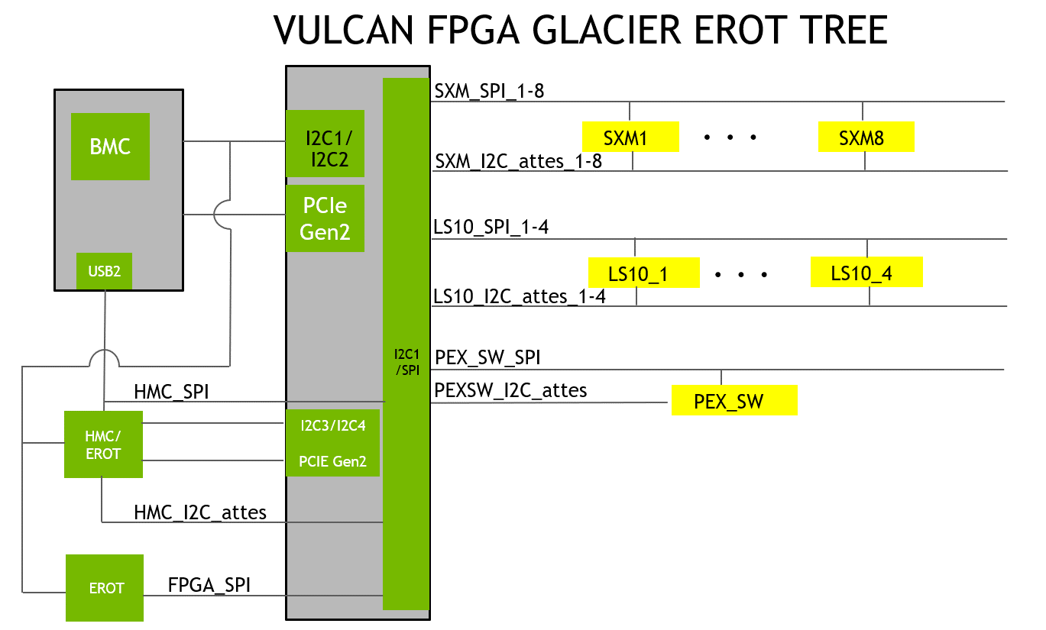

FPGA_I2C_ARCH_BLK_DIAG
